Housing
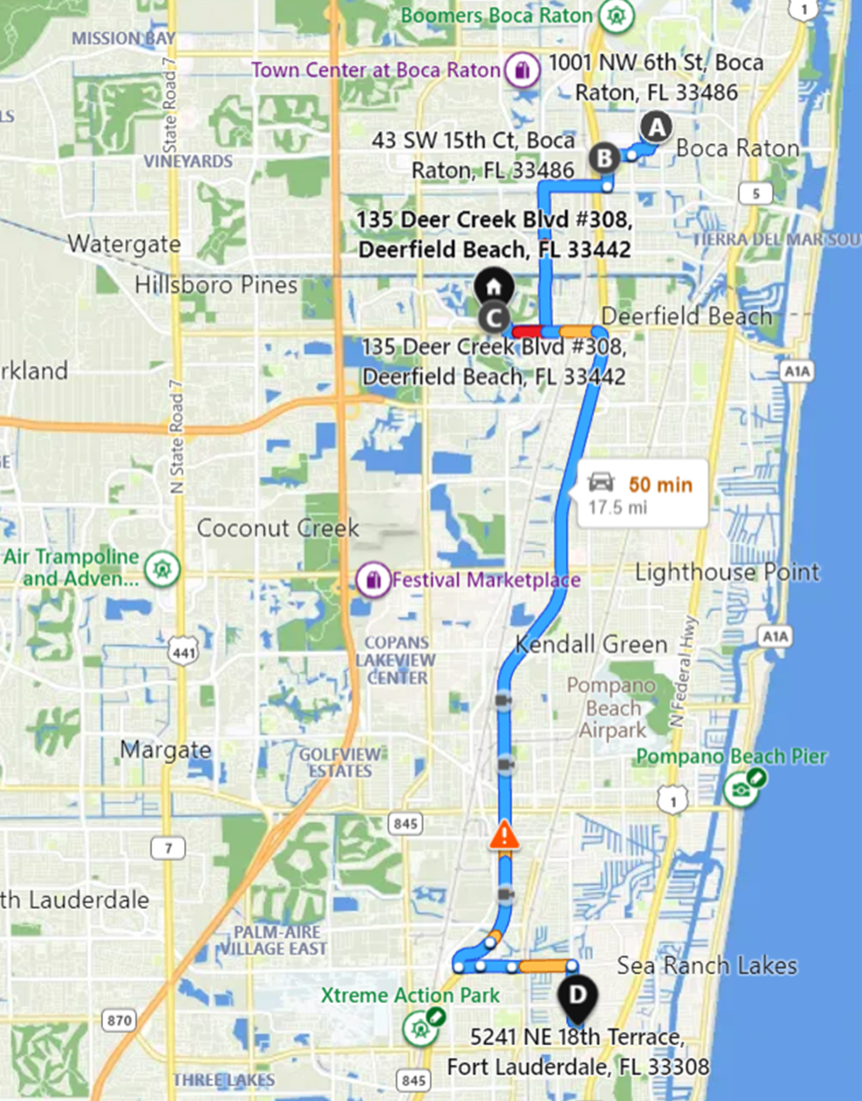
HOUSING
Individuals | Address | City | Zip
Amir & Stephanie | 1001 NW 6th St | Boca Raton | 33486
Liam & Jenna | 43 SW 15th Ct | Boca Raton | 33486
Mia, Sidney, Benny | 135 Deer Creek Blvd #308 | Deerfield Beach | 33442
Pam, Andy, Danny | 5241 NE 18th Terr | Ft Lauderdale | 33308

Outdoors
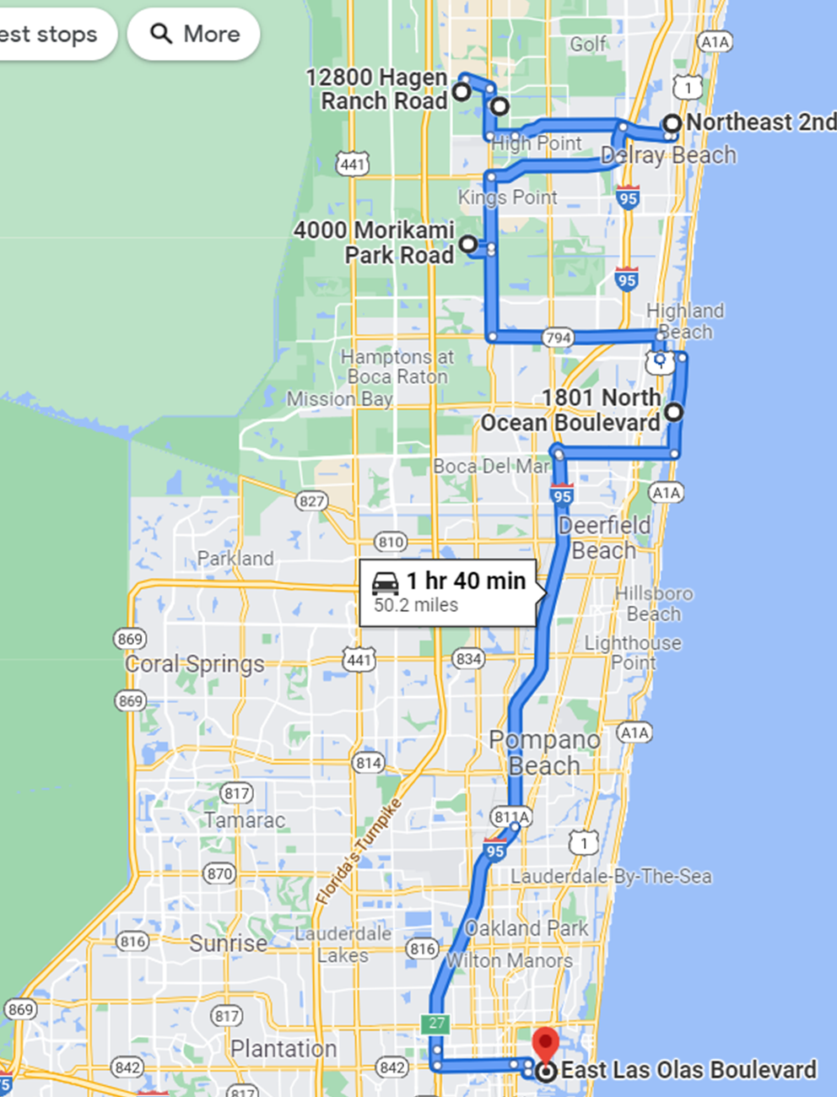
In addition to numerous beaches …
Places of Interest

By Direction | Place | City | Address | Activites | Website
1 | Green Cay Nature Center & Boardwalk | Boynton Beach | 12800 Hagen Ranch Rd 33437 | Boardwalk through natural setting (1.5 miles) | https://discover.pbcgov.org/parks/Locations/Green-Cay.aspx
2 | Wakodahatchee Wetlands | Delray Beach | 13270 Jog Road 33446 | Boardwalk through natural setting (<1 mile) | https://discover.pbcgov.org/waterutilities/Pages/Wetlands.aspx
3 | Pineapple Grove Arts District | Delray Beach | NE 2nd Ave 33444 | Shopping and sight seeing | https://downtowndelraybeach.com/PineappleGroveArtsDistrict
4 | Morikami Museum | Delray Beach | 4000 Morikami Park Rd 33446 | Japanese museum and gardens | https://morikami.org/
5 | Gumbo Limbo Nature Center | Boca Raton | 1801 N Ocean Blvd 33432 | Small walking area with sea turtle aquariums; great for kids | https://www.gumbolimbo.org/
6 | Las Olas Bvld | Ft Lauderdale | E Las Olas Blvd 33301 | Shopping and sight seeing | https://lasolasboulevard.com/fort-lauderdale/directory/las-olas-boulevard-shops/

